Müller Small Kitchen Items
Description | CTN | MODEL | Image | MSRP | TOTAL MSRP
Apple Corer | 716 | MK950 | 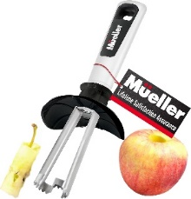 | $12.99 | $9,300.84
Fruit Bowl Green | 356 | FB-111Green | 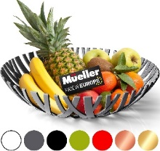 | $21.99 | $7,828.44
Fruit Bowl White | 318 | FB-111White |  | $21.99 | $6,992.82
Makeup Organizer White | 998 | MU-55White | 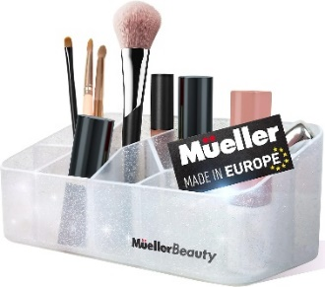 | $19.99 | $19,950.02
Mixing Bowl Set 4/1 | 731 | BS-4689 | 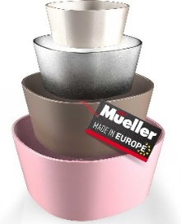 | $19.99 | $14,612.69
Mueller Chef Knife | 4281 | SS-81 | 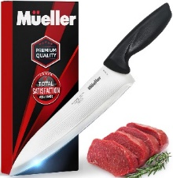 | $19.99 | $85,577.19
Pohl+Schmitt 611 Digital Scale Silver for ranking NEW | 2192 | PS-611 White | 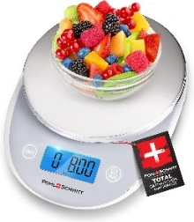 | $12.99 | $28,474.08
Salad Bowl Set 16x16 cm 4x1 | 2621 | BS 4x1 | 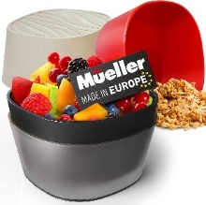 | $12.99 | $34,046.79
Salad Container Blue | 466 | SC-77BL | 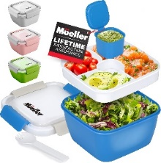 | $12.99 | $6,053.34
Serving Tray Beige | 608 | ST-77Beige | 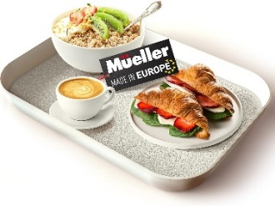 | $15.99 | $9,721.92
Serving Tray Gray | 852 | ST-77Gray | 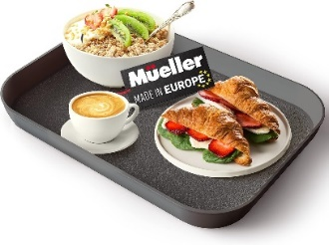 | $15.99 | $13,623.48
Steak knife (8pcs set) | 604 | SS-55 | 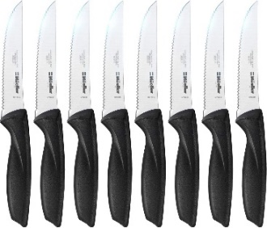 | $15.99 | $9,657.96
Utility Knife | 943 | SS-61 | 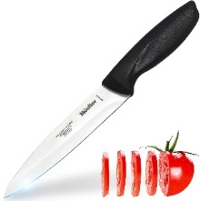 | $9.99 | $9,420.57
Zester Plus | 711 | MK202Z | 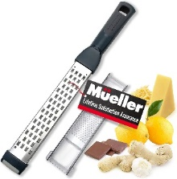 | $12.99 | $9,235.89
 | 16397 |  |  |  | $264,496.03

